Label coverage cylindrical
Coverage of label on packaging

Calculation - Coverage of labels on PET plastic packaging for Nordic Ecolabelled cleaning products
Please see requirement O16 Labels for rigid plastic packaging: Design for recycling and Appendix 3 in the criteria for more details.

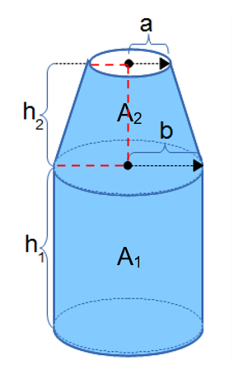
Product name/trade name

 | Product size |  |  | ml

 | Size of the label |  |  | cm2

 | h1 |  |  | cm

 | h2 |  |  | cm

 | a |  |  | cm

 | b |  |  | cm

 | Area A1: | 0 | cm2

 | Area A2: | 0 | cm2

 | Label coverage |  | Limit value
 | #DIV/0! | ≤

 | #DIV/0!

Label coverage non-cylindrical
Coverage of label on packaging

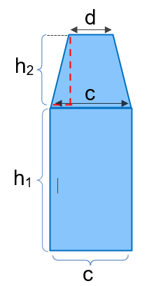
Calculation - Coverage of labels on PET plastic packaging for Nordic Ecolabelled cleaning products
Please see requirement O16 Labels for rigid plastic packaging: Design for recycling and Appendix 3 in the criteria for more details.
 |  |  |  |  |  | The illustration shows an example of the measurements involved in the calculation of the total area of a non-cylindrical container.
Product name/trade name |  |  |  |  | Please note that if the packaging has labels on two sides, start by doing the calculation for the side with the biggest label. If this side passes the limit, then so will the side with the smaller label.

 | Product size |  |  | ml

 | Size of the label |  |  | cm2

 | h1 |  |  | cm

 | h2 |  |  | cm

 | c |  |  | cm

 | d |  |  | cm

 | Area A1: | 0 | cm2

 | Area A2: | 0 | cm2

 | Label coverage |  | Limit value
 | #DIV/0! | ≤

 | #DIV/0!

